Table 1
SL NO | PRODUCT | IMAGE | BRAND | MODEL | SPECIFICATION | PRICE/PC | HSN CODE | GST %
1 | Room Dustbin | 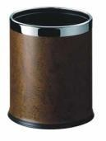 | WALTHR | IR-RD001 | • Powder coated with stainless steel ring covered with Leatherette • Fire retardant liner • Size : 225*270mm • Shape : Round | 825.00 | 42021190 | 12%
2 | Room Dustbin |  | WALTHR | IR-RD001.1 | • Powder coated with stainless steel ring covered with Leatherette • Fire retardant liner • Size : 225*270mm • Shape : Oval | 900.00 | 42021190 | 12%
3 | Room Dustbin | 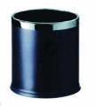 | WALTHR | IR-RD002 | • Powder coated with stainless steel ring • Fire retardant liner • Size : 225*270mm • Shape : Round | 775.00 | 73239990 | 12%
4 | Room Dustbin |  | WALTHR | IR-RD002.1 | • Powder coated with stainless steel ring • Fire retardant liner • Size : 225*270mm • Shape : Oval | 900.00 | 73239990 | 12%
5 | Room Dustbin |  | WALTHR | IR-RD003 | • Stainless steel outer and inner bin • Fire retardant liner • Size : 200*300mm • Finish : Matt / Mirror | 1,900.00 | 73249000 | 12%
6 | Room Dustbin |  | WALTHR | IR-RD004 | STAINLESS STEEL IN RED BRONZE PLATED FIRE RETARDANT LINER SIZE : 200*300MM | 2,250.00 | 72299012 | 12%
7 | Room Dustbin |  | WALTHR | IR-RD005 | • Stainless steel in red bronze plated • Fire retardant liner • Size : 200*300mm | 1,550.00 | 73249000 | 12%
8 | Room Dustbin | 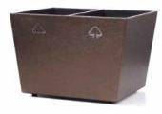 | WALTHR | IR-RD006 | • Specially designed twin recyable bin with logo • Powder coated liner • Size : 300*240*280mm | 3,700.00 | 39269099 | 18%
9 | Room Dustbin | 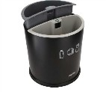 | WALTHR | IR-RD007 | • Round 10 litres outer bin in black powder coated finish • Comes in 2-piece inner recycle bin liners • Bin liners in light and dark grey colors • With printed recycle and non-recycle insignias for easy differentiation • Easy to remove and clean | 1,225.00 | 39269099 | 18%
10 | Room Dustbin | 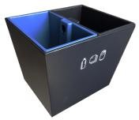 | WALTHR | IR-RD008 | • Rectangle 10 litres outer bin in black powder coated finish • Comes in 2-piece inner pp liners • Bin liners in black and blue colors • With printed recycle and non-recycle insignias for easy differentiation • Easy to remove and clean • Size: 300 x 240 x 280 mm | 1,850.00 | 39269099 | 18%
11 | Dock Station | 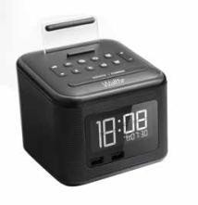 | WALTHR | IR-DS001 | • 2.6 Inch Lcd display - fm radio with 20 stations storage • Charging and playing your smartphone • Snooze / sleep functions - single function key for easy operation • Single alarm and choose to wake up to radio or buzzer • Dual usb chargers : 5v 1a & 5v 2.0a • Backlit lcd with 4 dimming levels • Universal bluetooth speaker, compatible with any smartphones • 3.5mm stereo line-in cable (included) • Anti-theft security cable is included • Certification : CE / ROHS / FCC | 4,150.00 | 85437099 | 18%
12 | Dock Station without Bluetooth | 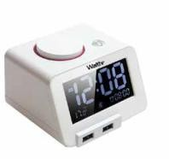 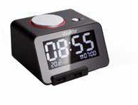 | WALTHR | IR-DS002 | • Compatible with ipad and mobile phones • Ac power adaptor • Charging ports : double usb • Driver units : 27mm • Power adaptor : AC 110-240v, 50/60hz, DC 5v 3a Feature • 3.2 Inch lcd screen • 4 Dimming levels • Double usb ports smart charging • Easy alarm clock set-up • Adjustable alarm volume • Music alarm ringtone • Snooze function • Thermometer function with OF/OC switch • Without bluetooth | 3,100.00 | 85437099 | 18%
13 | Dock Station with Bluetooth |  | WALTHR | IR-DS002.1 | • Compatible with ipad and mobile phones • Ac power adaptor • Charging ports : double usb • Driver units : 27mm • Power adaptor : AC 110-240v, 50/60hz, DC 5v 3a Feature • 3.2 Inch lcd screen • 4 Dimming levels • Double usb ports smart charging • Easy alarm clock set-up • Adjustable alarm volume • Music alarm ringtone • Snooze function • Thermometer function with OF/OC switch • With bluetooth | 3,350.00 | 85437099 | 18%
14 | Dock Station | 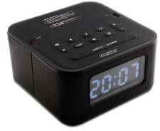 | WALTHR | IR-DS007 | • 3.2 inch LCD screen • Multilevel dimmable • Alarm clock and Snooze function • Double USB charging ports • Speaker system • Built-in Bluetooth • Wireless music player • FM radio • Compatible with iPad and mobile phones • Audio Source: Bluetooth, Micro SD • Output Power: 3W+3W • Driver Units: 2x40mm • S/N Ratio: >65dB • Bluetooth Version: 4.2 • Bluetooth Range: 10M • Radio Frequency Range: 87.5MHz-108MHz • Size: 13.8x13.8x7cm • Power: AC 100-240V, 50/60Hz, DC5V 3A | 5,700.00 | 85437099 | 18%
15 | Dock Station | 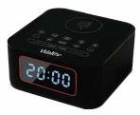 | WALTHR | IR-DS008 | • 3.2 inch LCD Screen • Multilevel dimmable • Wireless charging function fast • 2 USB charging ports • High bass speaker • FM radio, • Built-in Bluetooth • Wireless music player • Bluetooth hands-free function • Dual alarm clock, • Snooze function • Built-in high quality lithium battery • Compatible with Bluetooth-enabled smart phone, iPad and computer • Audio Source: Bluetooth • Output Power: 3W+3W • Driver Units: 2x52mm • S/N Ratio: >65dB • Bluetooth Version: 5.0 • Bluetooth Range: 10M • Size: 13.8x13.8x8.4cm • Power: AC 100-240V, 50/60Hz, DC 9V 2A | 6,300.00 | 85437099 | 18%
16 | Dock Station | 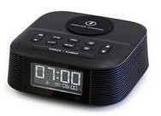 | WALTHR | IR-DS009 | • Qi-enabled bluetooth speaker with alarm clock with radio • 10w wireless charging • Wireless music player • Dual alarm, wake up to melody or fm radio • Fm radio, up to 20 station storage • Daylight-saving time mode • 4 Level dimmable • 1a usb charging port • Snooze function • Available color: Black, White • Bluetooth technology index • Standard: bluetooth 4.0 • Bluetooth profiles: a2dp,avrcp,hfp,hsp • Receive range: within 10 meters | 4,800.00 | 85437099 | 18%
17 | Dock Station | 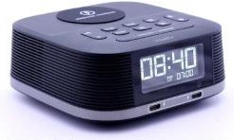 | WALTHR | IR-DS010 | • 2.5-inch LCD digital large screen display • Multi level display brightness adjustment • Alarm clock and snooze function • Wireless fast charging • Dual Type-C charging ports • USB charging function • High quality speaker • Built in Bluetooth • Digital broadcasting • Wireless music playback • FM radio • AC adapter power supply • Music input source: Bluetooth, audio input • Output power: 3W + 3W • Drive unit: 2x40mm • Signal to noise ratio: > 65dB • Bluetooth version: 4.2 • Bluetooth distance: 10M • Radio frequency: 87.5MHz-108MHz | 4,900.00 | 85437099 | 18%
18 | Dock Station | 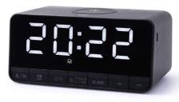 | WALTHR | IR-DS011 | • LED digital large screen display • Multilevel dimmable • Bluetooth wireless music • 15W wireless fast charging • USB charging port (optional) • Type-C charging port • Single day alarm • Snooze function • Built-in 1200mha lithium battery • Built-in three kinds of white noise to help sleep • One click to turn off alarm • Compatible with Bluetooth-enabled smart phone and tablet • Powered by AC adapto • Music output power: 3W • Drive unit: 1x40mm • Bluetooth version: 5 • Bluetooth connection distance: 10M | 4,300.00 | 85437099 | 18%
19 | Alarm Clock |  | WALTHR | IR-AC001 | • Stainless steel matt finish • Round shape • With night light | 2,400.00 | 91091010 | 18%
20 | Alarm Clock |  | WALTHR | IR-AC002 | • Fashion design digital alarm clock • Wooden frame • Black matt finish • With night light | 1,550.00 | 91091010 | 18%
21 | Torch |  | WALTHR | IR-TR001 | • Specially designed emergency torch • Auto-on when removed from holder • Auto-off when placed in holder • Energy saving led lights (13 led) • Operates on 3 x aa cells • Non-slip handle • Color options - Black / Silver | 850.00 | 85131010 | 18%
22 | Torch | 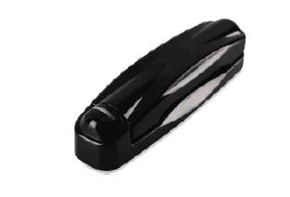 | WALTHR | IR-TR002 | • Use krypton bulb for 70% brighter • Blinking led indicator showing its position and Batteries power automatic on when pull out from • Base bracket • Push back when not in use • Color options - Black/ Silver | 600.00 | 85131010 | 18%
23 | Torch |  | WALTHR | IR-TR003 | • Mini wall mounted torch • Bulb type : 6 led’s • Wall-mounted holder for automatic switch-off • Operates on 3 x aaa battery • With fluorescent label • Color options - Black / Silver | 525.00 | 85131010 | 18%
24 | Torch | 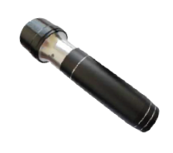 | WALTHR | IR-TR004 | • Power-off mode: hall magnetic induction switch, light up when removed from holder. • Battery: dedicated rechargeable battery. • Light source: high-power leo chip lamp beads • With flashing indicator light for emergency escape • Charging mode: the battery needs to be independently charged by usb. • 72 Hours of continuous light ing, 18 months of standby on a single charge • Colocr: Black aluminum alloy flashlight. • Rechargeable battery one year warranty. • Size: 160 x 30 x 44 mm | 1,350.00 | 85131010 | 18%
25 | Luggage Rack | 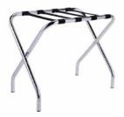 | WALTHR | IR-LR001 | • Foldable luggage rack • Solid metal construction • Silver chrome finish • 4 Durable black straps • Size : 610*430*540mm | 3,025.00 | 94038900 | 18%
26 | Luggage Rack |  | WALTHR | IR-LR002 | • Foldable luggage rack • Solid metal construction with back support • Silver chrome finish • 4 Durable black straps • Size : 680*405*715mm • With back rest support | 3,850.00 | 94038900 | 18%
27 | Luggage Rack |  | WALTHR | IR-LR003 | • Stainless steel • 5 Durable pu leather strip for extra support • Double bar back support • Foldable • Size : 600*450*600mm | 7,850.00 | 94038900 | 18%
28 | Luggage Rack |  | WALTHR | IR-LR004 | • Solid rubber wood • Water & pest resistant • Foldable • Wood color as per client request • Size : 600*450*680mm | 6,700.00 | 94038900 | 18%
29 | Luggage Rack | 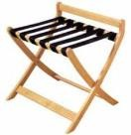 | WALTHR | IR-LR005 | • Modern and elegant design • 6 Durable black straps • Foldable with back bar • Made of solid wood • Water and pest resistant • Size : 600*460*520mm | 7,250.00 | 94038900 | 18%
30 | Luggage Rack | 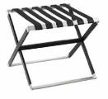 | WALTHR | IR-LR006 | • Stainless steel • High quilaty 6 pu leather strips • Foldable • Size : 650*600*600mm | 9,500.00 | 94038900 | 18%
31 | Luggage Rack |  | WALTHR | IR-LR007 | • Solid rubber wood • Water & pest resistant • Foldable • Wood color as per client request with two layer • Size : 650*430*550mm | 8,800.00 | 94038900 | 18%
32 | Coat Hanger Stand |  | WALTHR | IR-CHS001 | • Material: wood,single pole • Color: dark brown,matt • Size:460(w)*240(d)*1080(h)mm | 7,200.00 | 94032090 | 18%
33 | Coat Hanger Stand |  | WALTHR | IR-CHS002 | • 304# Stainless steel frame • Beachwood • Size : 275 * 350* 1175 mm | 9,400.00 | 94032090 | 18%
34 | Coat Hanger Stand |  | WALTHR | IR-CHS003 | • 304# Stainless steel frame with solid base • Solid rubber wood clothes rack • Size : 470*150*1240mm | 8,400.00 | 94032090 | 18%
35 | Mini Bar |  | WALTHR | XC-25B | ABSORPTION MINI-REFRIGERATOR CAPACITY 25 L COOLING SYSTEM ABSORPTION (NH3, H2O, HE) FOAM VESICANT C5H10 / C-PENTANE COOLING TEMPERATURE 0~8 ℃ WEIGHT 15KG AC VOLTAGE AC 220~240V / 50~60HZ RATED POWER 70 W CONSUMPTION OF ENERGY 0.70 KWH/24H DIMENSIONS 400MM×395MM×435MM W X D X H | 8,540.00 | 84182900 | 18%
36 | Mini Bar | 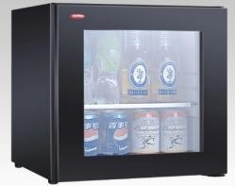 | WALTHR | C-25B Glass Do | ABSORPTION MINI-REFRIGERATOR CAPACITY 25 L COOLING SYSTEM ABSORPTION (NH3, H2O, HE) FOAM VESICANT C5H10 / C-PENTANE COOLING TEMPERATURE 5~13 ℃ WEIGHT 21 KG AC VOLTAGE AC 220~240V / 50~60HZ RATED POWER 70 W CONSUMPTION OF ENERGY 1.1 KWH/24H DIMENSIONS 400MM×413MM×435MM W X D X H | 9,380.00 | 84182900 | 18%
37 | Mini Bar |  | WALTHR | XC-30C | ABSORPTION MINI-REFRIGERATOR CAPACITY 30 L COOLING SYSTEM ABSORPTION (NH3, H2O, HE) FOAM VESICANT C5H10 / C-PENTANE COOLING TEMPERATURE 4~6℃ TO 7~9℃ WEIGHT 15 KG AC VOLTAGE AC 220~240V / 50~60HZ RATED POWER 70 W CONSUMPTION OF ENERGY 0.70 KWH/24H DIMENSIONS 400MM×410MM×500MM | 10,080.00 | 84182900 | 18%
38 | Mini Bar | 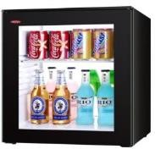 | WALTHR | -30C GLASS DO | ABSORPTION MINI-REFRIGERATOR CAPACITY 30 L COOLING SYSTEM ABSORPTION (NH3, H2O, HE) FOAM VESICANT C5H10 / C-PENTANE COOLING TEMPERATURE 4~6℃ TO 7~9℃ WEIGHT 15 KG AC VOLTAGE AC 220~240V / 50~60HZ RATED POWER 70 W CONSUMPTION OF ENERGY 1.2 KWH/24H DIMENSIONS 400MM×420MM×500MM | 11,200.00 | 84182900 | 18%
39 | Mini Bar |  | WALTHR | XC-40C | ABSORPTION MINI-REFRIGERATOR CAPACITY 40 L COOLING SYSTEM ABSORPTION (NH3, H2O, HE) FOAM VESICANT C5H10 / C-PENTANE COOLING TEMPERATURE 4~6℃ TO 7~9℃ WEIGHT 18 KG AC VOLTAGE AC 220~240V / 50~60HZ RATED POWER 70 W CONSUMPTION OF ENERGY 0.75 KWH/24H DIMENSIONS 400MM×430MM×560MM | 10,920.00 | 84182900 | 18%
40 | Mini Bar | 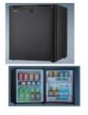 | WALTHR | XC-40J | COOLOING TEMP : C 7-9/10 - 12 ENERGY CONSUMPATION : 0.75 KWH/24 H NET WEIGHT : 18 KGRATED POWER 70 W COOLING SYSTEM ABSORPTION (NH3, H2O, HE)COOLING TEMPERATURE 4~6°C 7~9°C,11-13°C INTELLIGENT AUTOMATIC DEFROST ENERGY-SAVING & FROST-FREE ELECTRONIC TYPE THERMOSTAT SYSTEM CONCEALED THERMAL REGULATOR FOR CONVINIENT ADJUSTMENT AND PREVENTING CUSTOMER CHANGING II GERNERATION OF ABSORPTION COOLING TECHNIQUE, TOTOALLY NOISELESS WHEN WORKING; STRONG DELUXE TEMPRED GLASS SHELVES WITH STOPPERS DIMENSION : W 400 * D 430 * H 560 MM | 10,080.00 | 84182900 | 18%
41 | Mini Bar | 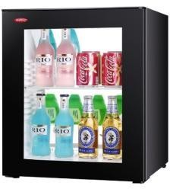 | WALTHR | C-40C Glass Door | ABSORPTION MINI-REFRIGERATOR CAPACITY 40 L COOLING SYSTEM ABSORPTION (NH3, H2O, HE) FOAM VESICANT C5H10 / C-PENTANE COOLING TEMPERATURE 4~6℃ TO 7~9℃ WEIGHT 18 KG AC VOLTAGE AC 220~240V / 50~60HZ RATED POWER 70 W CONSUMPTION OF ENERGY 1.30 KWH/24H DIMENSIONS 400MM×440MM×560MM | 11,760.00 | 84182900 | 18%
42 | Mini Bar | 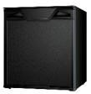 | WALTHR | XC-60C | ABSORPTION MINI-REFRIGERATOR CAPACITY 60 L COOLING SYSTEM ABSORPTION (NH3, H2O, HE) FOAM VESICANT C5H10 / C-PENTANE COOLING TEMPERATURE 4~6℃ TO 7~9℃ WEIGHT N.W:21.5 KG (G.W:24KG) AC VOLTAGE AC 220~240V / 50~60HZ RATED POWER 85 W CONSUMPTION OF ENERGY 0.95 KWH/24H DIMENSIONS 490MM×490MM×580MM | 14,280.00 | 84182900 | 18%
43 | Mini Bar | 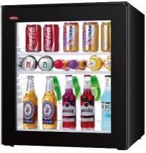 | WALTHR | C-60C Glass Do | ABSORPTION MINI-REFRIGERATOR CAPACITY 60 L COOLING SYSTEM ABSORPTION (NH3, H2O, HE) FOAM VESICANT C5H10 / C-PENTANE COOLING TEMPERATURE 4~6℃ TO 7~9℃ WEIGHT 25.5 KG AC VOLTAGE AC 220~240V / 50~60HZ RATED POWER 85 W CONSUMPTION OF ENERGY 1.45 KWH/24H DIMENSIONS 490MM×500MM×580MM | 15,680.00 | 84182900 | 18%
44 | Kettle |  | WALTHR | IR-EK001 | • 220-240v, 50/60hz, 1000-1200w • 360° Cordless base kettle • Capacity: 1.0 Ltr • Auto lid-opening design • Water level indicator • Boil dry protection • Automatic shut off • With uk strix thermo control • With concealed heating element • Anti-slip feet design • Color : Black / White | 1,400.00 | 85167100 | 18%
45 | Kettle tray set |  | WALTHR | IR-WT002 | • High grade melamine material • Big tray : 385*308* 22.5mm • Medium tray : 335*132*11.0mm • Tea tray : 155*115*50mm • Color : Black / White | 1,650.00 | 39241090 | 18%
46 | BIG TRAY |  | WALTHR | IR-WT002 | • High grade melamine material • Big tray : 385*308* 22.5mm • Color : Black / White | 840.00 | 39241090 | 18%
47 | TEA TRAY(SACHET HOLDER) |  | WALTHR | IR-WT002 | • High grade melamine material • Tea tray : 155*115*50mm • Color : Black / White | 448.00 | 39241090 | 18%
48 | MEDIUM TRAY |  | WALTHR | IR-WT002 | • High grade melamine material • Medium tray : 335*132*11.0mm • Color : Black / White | 392.00 | 39241090 | 18%
49 | Kettle |  | WALTHR | IR-EK005 | • Food grade 304# stainless steel • Double wall & cool touch • Automatic shut-off • Boil dry & overheating protection • With uk strix thermo control • Seamless tank, easy to clean • 220-240v - 1500w, 50/60hz • Capacity : 1.2 Ltr • Color : white with grey / black | 2,120.00 | 85167100 | 18%
50 | Kettle tray set FOR EK005 |  | WALTHR | IR-WTOO4 | • Tray set for kettle IR EK005 • High density abs material with stainless • Steel drip tray, compartments for sachets & tea spoon | 2,250.00 | 85167100 | 18%
51 | Kettle | 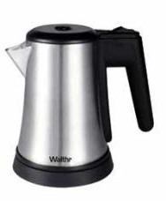 | WALTHR | IR-EK008 | • 304# Stainless steel brushed surface • 360° Cordless base • Concealed stainless steel heating element • Wide mouth for easy cleaning • With uk strix thermo control • Automatically switch off with power indicator light • Boil dry and overheat protection • Safety lock lid • Removable water filter • 220~240v 50/60hz, 900w • Capacity : 0.6 Ltr | 1,775.00 | 85167100 | 18%
52 | TRAY FOR EK008 |  | WALTHR | IR-WT001 | • Abs construction for more strength and durability • Easy to clean • Finished in wood grain texture • Removable 304 ss drip tray to contain spills • Size: 36 x 24 x 3.5cm • Kettle compatible with IR-EK008 | 1,120.00 | 85167100 | 18%
53 | Kettle |  | WALTHR | IR-EK010 | • 304# Stainless steel matt finish • 360° Cordless base • Concealed stainless steel heating element • Wide mouth for easy cleaning • With uk strix thermo control • Automatically switch off with power indicator light • Boil dry and overheat protection • Safety lock lid • 220~240v 50/60hz, 1200w • Capacity : 0.8 Ltr | 2,350.00 | 85167100 | 18%
54 | Kettle tray set FOR EK010 |  | WALTHR | IR-WT003 | • High grade melamine material • Big tray : 385*308* 22.5mm • Medium tray : 335*132*11.0mm • Tea tray : 155*115*50mm • Color : Black / White • Kettle compatible with IR-EK010 | 1,120.00 | 85167100 | 18%
55 | Kettle | 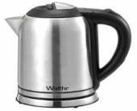 | WALTHR | IR-EK012 | • 304# Stainless steel • Automatic shut-off • Boil dry & overheating protection • With max line inside of the kettle body • With uk strix thermo control • 220-240v - 1000w, 50/60hz • Capacity : 1 ltr | 2,050.00 | 85167100 | 18%
56 | Kettle | 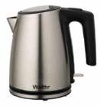 | WALTHR | IR-EK015 | • 304# Stainless steel with black pp handle • 360° Cordless base. • Removable filter. • External water level indicator • Indicator light • Safety locking lid • Automatic switch off • With uk strix thermo control • With concealed heating element • 220-240v~50hz,1500-1785w • Capacity : 1.2 Ltr • Finish : Matt / Mirror | 2,300.00 | 85167100 | 18%
57 | Kettle | 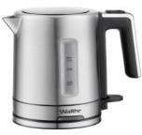 | WALTHR | IR-EK018 | • 304 Grade premium stainless steel • Capacity: 1.0 Liters • Stainless steel construction 360 degree • Rotational base automatic thermostat • Switch off while boiling overheat and • Dry-boil protrction power on/off • Indicator lamp 220-240v, 50/60h, 1850- • 2200w | 2,300.00 | 85167100 | 18%
58 | Kettle | 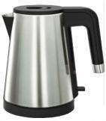 | WALTHR | IR-EK019 | • Double wall 304 S/S electric kettle--inner flask:one-piece,weldless; outside housing:304 S/S free of finger marks; • Scald proof: outside housing temperature is only 60 when water boils, safe to use; • Elegant design, fine workcraft,specially for luxury hotels and resorts; • Open handle, flat hinged lid; optimized filter and steam vent, easy to clean • Strix thermocontrol, three-action protection; • Capacity: 0.6l; AC220-240v, 1000w, saving water and energy, eco-friendly. • H:175mm, W: 180mm, | 2,400.00 | 85167100 | 18%
59 | Kettle | 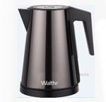 | WALTHR | IR-EK020 | • 1.2l, 220-240v, 1000-1200w, 50/60hz • Material: inside stainless steel 304, outside is color stainless steel, middle is plastic. • Cordless electric kettle: separate base move kettle conveniently. 360 °Rotation design. • Two metal controller, double safety protection for chy boiling. • Steam switch for automatic power off when water boiled. • Concealed heating element, safety and easy cleaning. • Uk strix conttoller • Color - SS / Graphite/ Copper | 2,520.00 | 85167100 | 18%
60 | Coffee Plunger |  | WALTHR | IR-CP002 | • 304# Stainless steel with glass • Black anti scald handle • Glass thickness 2 mm • Capacity : 350 ml | 1,200.00 | 70133700 | 18%
61 | Coffee Plunger |  | WALTHR | IR-CP002.1 | • 304# Stainless steel with glass • Black anti scald handle • Glass thickness 2 mm • Capacity : 600ml | 1,475.00 | 70133700 | 18%
62 | Coffee Plunger |  | WALTHR | IR-CP003 | • High grade 18/10 stainless steel • Double wall construction for superior insulation & heat retention • Steel mesh plunger mechanism • Capacity : 500 ml • Finish : Matt / Mirror | 2,650.00 | 70133700 | 18%
63 | Coffee Plunger |  | WALTHR | IR-CP003.1 | • High grade 18/10 stainless steel • Double wall construction for superior insulation & heat retention • Steel mesh plunger mechanism • Capacity : 500 ml and 800ml • Finish : Matt / Mirror | 3,100.00 | 70133700 | 18%
64 | Coffee Plunger |  | WALTHR | IR-CP004 | • High grade 18/10 stainless steel • Double wall construction for superior insulation & Heat retention • Steel mesh plunger mechanism • Capacity : 500 ml • Finish : Matt / Mirror | 2,600.00 | 70133700 | 18%
65 | Coffee Plunger |  | WALTHR | IR-CP004.1 | • High grade 18/10 stainless steel • Double wall construction for superior insulation & Heat retention • Steel mesh plunger mechanism • Capacity : 800 ml • Finish : Matt / Mirror | 2,995.00 | 70133700 | 18%
66 | Coffee Plunger |  | WALTHR | IR-CP005 | • High grade 18/10 stainless steel • Double wall construction for superior insulation & heat retention • Steel mesh plunger mechanism • Capacity : 500 ml • Finish : Matt / Mirror | 2,520.00 | 70133700 | 18%
67 | Coffee Plunger |  | WALTHR | IR-CP005.1 | • High grade 18/10 stainless steel • Double wall construction for superior insulation & heat retention • Steel mesh plunger mechanism • Capacity : 800 ml • Finish : Matt / Mirror | 2,950.00 | 70133700 | 18%
68 | Ice Bucket | 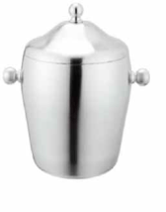 | WALTHR | IR-IBT001 | • Stainless steel • Double wall • Capacity 1.2 Ltr • With ice tong • Finish : Matt / Mirror | 1,450.00 | 73239990 | 18%
69 | Ice Bucket |  | WALTHR | IR-IBT002 | • Stainless steel • Double wall • Capacity 1.0 Ltr • With ice tong • Finish : Matt / Mirror | 2,650.00 | 73239990 | 18%
70 | Ice Bucket |  | WALTHR | IR-IBT003 | • Stainless steel with leatherette with ice tong • Capacity : 1.6 Ltr | 2,950.00 | 73239990 | 18%
71 | Ice Bucket | 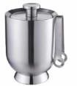 | WALTHR | IR-IBT004 | • Stainless steel | Double wall • Capacity 1 ltr with ice tong • Finish : Matt / Mirror • Specifically designed for preserving temperature upto 10hrs | 4,400.00 | 73239990 | 18%
72 | Ice Bucket |  | WALTHR | IR-IBT005 | • Double wall • Capacity 1.3 Ltr • An easy-carry handle and ice tongs with built-in lid storage • Keeps ice longer without messy outside condensation | 1,575.00 | 73239990 | 18%
73 | Bottle Opener |  | WALTHR | IR-BO001 | • Foldable compact unit • 100% Metal, teflon coated device • Comprising - knife, corkscrew & bottle opener | 350.00 | 82055110 | 18%
74 | Bottle Opener |  | WALTHR | IR-BO002 | • With levers to make uncorking of bottles easier • Bottle opener in the handle. • Length : 16 cm | 600.00 | 82055110 | 18%
75 | Coffee Machine |  | WALTHR | IR - CM002 | • Size: 330mm x 155mm x 255mm • Voltage : 220-240v/110-120v • Frequency : 50/60hz • Rated power: 1400w • Pressure : 19bar • Water tank capacity : 800ml • Rated power: 1400w • Pressure : 19bar • Water tank capacity : 800ml • Color : Black/ Red/ White | 8,100.00 | 85167100 | 18%
76 | Safe | 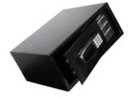 | WALTHR | IR-ES001 | • Rust-proof surface with quality powder coating finish • Size (w*d*h) : 420 * 370 * 200 mm • Thickness of the safe body : 1.5 Mm • Thickness of the door : 4 mm Feature: • Digital keypad with bright led display • Auto electronic lock • Motorized opening/locking by 2 bolts: 20mm dia • 3 Ways to open the safe -Private code(3~6 digits) - Master code, - Key optional • Safe will hold 15 min in case of 3 times wrong try • Pre-drilled holes with fixing bolts • Emergency battery hole, • Power : 4*1.5v cells • Light, ceu system, audit trial of last 1000 opening record • Available color : Black / White | 6,160.00 | 83030000 | 18%
77 | Safe | 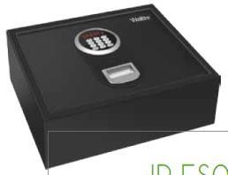 | WALTHR | IR-ES003 | • Top open safe • Size (w*d*h) : 410 * 350 * 150 mm Feature: • Motorized opening/locking by 2 bolts: 20mm dia • 3 Ways to open the safe -Private code(3~6 digits) - Master code - Key optional • Safe will hold 15 min in case of 3 times wrong try battery operated (ac option) • Security lock-out sytem • Audit trail of 1000 past events • Mechanical key override available • Available in Black and White | 7,400.00 | 83030000 | 18%
78 | Safe |  | WALTHR | IR-ES004 | • Sand stone matt finish • Size (w*d*h) : 380 * 450 * 200 mm • Thickness of the safe body : 2mm • Thickness of the door : 5mm • Operate by 3-6 digital code • Led display • Fault detecting timing function • Safe will hold 15 min in case of 3 times wrong try • With led light inside • Audit trail of last 1000 past events • Available color : Black / White | 7,500.00 | 83030000 | 18%
79 | Safe | 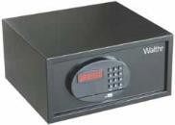 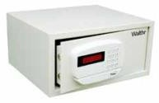 | WALTHR | IR-ES005 | • Size (w*d*h) : 420 * 410 * 230 mm • Thickness of the safe body : 1.5 Mm • Thickness of the door : 5 mm Feature: • 4 Ways to open the safe -Private code(3~6 digits) - Card locking - Master code - Key optional • Safe will hold 15 min in case of 3 times wrong try • Pre-drilled holes with fixing bolts • Emergency battery hole • Power : 4*1.5v cells • Light, ceu system, audit trial of last 1000 opening record • Color : Ivory / Black | 6,700.00 | 83030000 | 18%
80 | LOGGER UNIT |  | WALTHR |  | • TRAIL OF 200 RECORDS • It is easy to view a history of actions • (Records of the dates and times • When the safe was opened) and to • Unlock the safe. | 22,400.00 | #N/A | 18%
81 | Iron |  | WALTHR | IR-IR001 | • Fabric guide indicator • Adjustable steam and spray self cleaning system. • Ceramic sole plate • Auto shut off • Anti calc • Anti drip • Dry / steam / spray / burst function • 220v-50hz • Watts 1600w • Auto off after 30 sec in horizontal, 8 min in vertical positions • 3mtr power cod • Water tank capacity: 300ml | 1,800.00 | 85164000 | 18%
82 | Iron |  | WALTHR | IR-IR002 | • Fabric guide indicator • Adjustable steam and spray self cleaning system. • Non stick teflon coated sole plate • Anti calc • Anti drip • Dry / steam / spray / burst fuction • 220v-50hz • Watts 1200w • Auto off after 30 sec in horizontal, 8 min in vertical positions • 3mtr power cord • Water tank capacity: 220ml | 1,600.00 | 85164000 | 18%
83 | IRON | 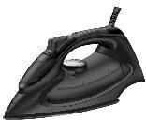 | WALTHR | IR-IR003 | • Color : black • Fabric guide indicator • Adjustable steam and spray self cleaning system. Ceramic sole plate • Auto shut off , anti calc & anti drip • Dry i steam /spray/ burst function • 220-240v-50hz • Watts 2200w • Auto off after 30 sec in horizontal, 8 min in • Vertical positions • 3mtr power cord • Water tank capacity: 300ml | 2,100.00 | 85164000 | 18%
84 | Iron Board | 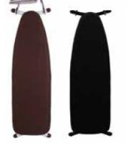 | WALTHR | IR-IB001 | • Made of heavy-duty construction • Steel mesh top • Automatic locking mechanism when folded • Multi-welded t-leg construction • Height adjustment • Pre-treated pad in one-piece 10mm • Thickness for scorch resistance. • Available size : 990*330*800 mm • 1150*330*820 Mm • Available color : Brown / Black/Gray | 2,968.00 | 94032010 | 18%
85 | Iron Board | 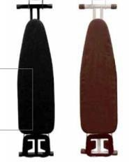 | WALTHR | IR-IB002 | • Made of heavy-duty construction • Steel mesh top • Automatic locking mechanism when folded • With iron rest • Multi-welded t-leg construction • Height adjustment • Pre-treated pad in one-piece 10mm • Thickness for scorch resistance. • Size : 1100*340*820/1270mm, • Available color : Brown / Black/ Gray | 2,800.00 | 94032010 | 18%
86 | Iron Board |  | WALTHR | IR-IB003 | Steel mesh top • Automatic locking mechanism when folded • With iron rest • Multi-welded t-leg construction • Height adjustment • Pre-treated pad in one-piece 10mm thickness • For scorch resistance. • Size : 920*340*820/1120mm, • Available color : Brown / Black/Gray | 2,550.00 | 94032010 | 18%
87 | Iron Board |  | WALTHR | IR-IB005 | • Mesh top design allows iron steam easy penetrate • Variable height adjustment up to 85 cm • 28mm big tube ensure strong structure • Anti-fire cover with 10mm felt padding • Foldable flat save storage space • With anti-theft iron rest • Size: 1190x406x820mm • Available color : Brown / Black/Gray | 2,995.00 | 94032010 | 18%
88 | Organiser | 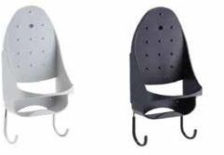 | WALTHR | IR-IO001 - A | • PBT high temperature resistant material Features : • Heat resistant accessories with hook & fixing screws • Weight : 440g • Color : Black/ White FOR - IRON 002 AND 003 MODEL | 700.00 | #N/A | 18%
89 | Organiser |  | WALTHR | IR-IO001 -B | • PBT high temperature resistant material Features : • Heat resistant accessories with hook & fixing screws • Weight : 440g • Color : Black/ White FOR - IRON 001 | 560.00 | #N/A | 18%
90 | Organiser |  | WALTHR | IR-IO002 | • Powder coated metal hook • Color : Black/ White | 335.00 | 94032090 | 18%
91 | Shoe Tree |  | WALTHR | IR-ST001 | • Wood with stainless steel • Sizes available as per request | 1,500.00 | 44170000 | 18%
92 | Shoe Tree |  | WALTHR | IR-ST002 | • Wood with stainless steel ir-st002 • Sizes available as per request | 1,500.00 | 44170000 | 18%
93 | Laundry Basket |  | WALTHR | IR-CB001 | • High quiality synthetic cane with linen cloth liner • Size : 420 * 280 * 390 mm | 4,400.00 | 39269099 | 18%
94 | Laundry Basket |  | WALTHR | IR-CB002 | • Cane basket • The plastic feet protect from moisture. • Each basket is woven by hand • Size : 410 * 410 * 600 mm | 6,000.00 | 39269099 | 18%
95 | Laundry Basket | 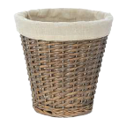 | WALTHR | IR-CB003 | • Polyrattan synthetic weave basket with linen fabric liner • Size : 250 * 250 mm | 5,800.00 | 39269099 | 18%
96 | Mirror |  | WALTHR | IR-MR001 | • Wall mounted double side mirror • Solid iron with chrome plated • Size : 8” DIA • Fold : 3x Magnification • No visible screws on base surface | 1,350.00 | 70139900 | 18%
97 | Mirror |  | WALTHR | IR-MR002 | • Wall mounted square mirror with led light • Solid brass with chrome plated • Double arm single side led mirror • Size : 8”*8” • Power : AC 110-260v, 4 x aa batteries, • Rechargeable batteries • Fold : 3x Magnification • Light color : White / Warm White / Yellow | 7,280.00 | 70139900 | 18%
98 | Mirror |  | WALTHR | IR-MR003 | • Acrylic wall mounted round mirror with led light • Solid brass with chrome plated, hardwired • Double arm single side led mirror • Size : 8” • Power : AC 110-260v, 4 x aa batteries, rechargeable batteries • Fold : 3x magnification • Light color : White / Warm White / Yellow | 7,840.00 | 70139900 | 18%
99 | Mirror |  | WALTHR | IR-MR004 | • Acrylic wall mounted round mirror with led light • Solid brass with chrome plated, hardwired • Double arm single side led mirror • Size : 8” DIA • Power : AC 110-260v • Fold : 3x Magnification • Light color : White / Warm White / Yellow | 7,280.00 | 70139900 | 18%
100 | Mirror |  | WALTHR | IR-MR005 | • Wall mounted square mirror with led light • Solid brass with chrome plated • Double arm single side led mirror • Size : 220*220mm • Power : AC 110-260v, 4 x aa batteries, rechargeable batteries • Fold : 3x magnification • Light color : White / Warm White / Yellow | 7,840.00 | 70139900 | 18%
101 | Mirror | 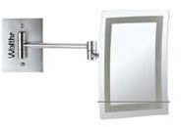 | WALTHR | IR-MR006 | • Wall mounted rectangle mirror with led light • Solid brass with chrome plated • Double arm single side led mirror • Size : 180*240mm • Power : ac 110-260v, 4 x AA batteries, rechargeable batteries • Fold : 3x magnification • Light color : White / Warm White / Yellow | 7,280.00 | 70139900 | 18%
102 | Mirror | 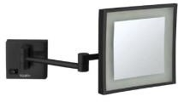 | WALTHR | IR-MR007 | • Size : 8”*8” wall mounted square mirror • With led light, hardwired connection • 3x magnification • Light: White light • Matt Black • Double square arms, rectangle base | 8,000.00 | 70139900 | 18%
103 | Mirror |  | WALTHR | IR-MR008 | • Size : 8” wall mounted round mirror • With led light, hardwired connection • 3x magnification • Light: white light • Matt Black • Double round arms, round base | 8,000.00 | 70139900 | 18%
104 | Hair Dryer |  | WALTHR | IR-HR001 | • 3 Heat selectors including cold shot • 3 Airflow 60 and 90 m3/h including cold shot • Spiral cord length 40 cm extendable • Integrated over-heating and circuit protection • Size : 250*260*140 mm • Color : white / black • 220v(50hz-60hz) • 1200w • 13m/s | 1,650.00 | 85163100 | 18%
105 | Hair Dryer |  | WALTHR | IR-HR004 | • 3 Airflow 60 and 90 m3/h including cold shot • Overheating protection system with main power on the hanging pedestal. It is convenient, safe and energy saving shaving socket is that the power outputs less than 15 wattage • Spiral cord length 40 cm extendable • Impact resistant • Size : 250*260*140 mm • Color : White / Black • 220v(50hz-60hz) | 1600w | 14m/s | 2,500.00 | 85163100 | 18%
106 | Hair Dryer |  | WALTHR | IR-HR005 | • High Density ABS Material • Concealed shaver socket unit • 2 Speed function • Size : 166*88*235 mm • Color : White • 220V(50hZ-60Hz) | 1100W | 15m/s | 2,150.00 | 85163100 | 18%
107 | Hair Dryer | 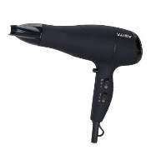 | WALTHR | IR-HR011 | • Dc motor • 2 Speeds/3 temperature settings • Cool shot fuction • Ionic function • Hanging-up loop • Safety cut off • Removable end cap for easy cleaning • Powerful motor • Styling concentrator • Removable end cap • Vde plug. • Hanging-up loop • 220-240v~50/60hz • 1875w • Finish : matt/rubber | 1,995.00 | 85163100 | 18%
108 | Hair Dryer |  | WALTHR | IR-HR015 | • 220-240v 1600w 50-60hz • Cool shot function • Foldable handle • Removable end cap for easy cleaning • Hang up hook • 2 Speed and 3 heat settings | 1,675.00 | 85163100 | 18%
109 | Hair Dryer | 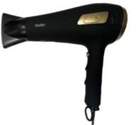 | WALTHR | IR-HR016 | • 220-240v 2000w 50-60hz • Retractable cord • Two speed & three temperature • Cool shot function • Removable end cap for easy cleaning • Hang up hook | 2,150.00 | 85163100 | 18%
110 | Hair Dryer | 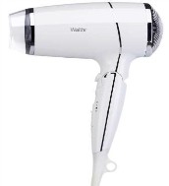 | WALTHR | IR-HR020 | • 1800w | 220-240v | 50/60hz • Low noice • Speed: 16m/s max • Two speed & three temperature • Micro switch safety button for over-heating protection • Cool shot button | 1,750.00 | 85163100 | 18%
111 | Hair Dryer | 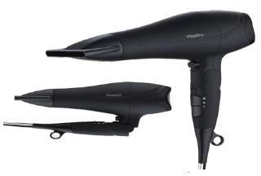 | WALTHR | IR-HR024 | • 220-240v~50hz 2200 w • 2 Speed & 3 heats controled by 2 slide swtich • Safety cut off • Hanging-up loop • Cool shot knob • Styling concentrator • Rear removable airinlet metal grill • With folded handle • 2x1.00mm flat pvc coiled cable,3m when extended | 1,995.00 | 85163100 | 18%
112 | Hair Dryer Bag |  | WALTHR | IR-HB001 | Material : Canvas / Velvet | 450.00 | 63052000 | 18%
113 | Hair Dryer Bag |  | WALTHR | IR-HB001-C | MATERIAL : CLOTH | 200.00 | 63052000 | 18%
114 | Personal Scale | 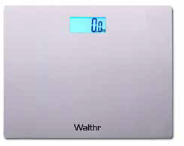 | WALTHR | IR-WS003 | • Stainless steel with glass • Brushed stainless steel finish • Large, easy to read 1.2” Lcd display • 180KG/400LB CAPACITY • Four digit readout in 0.1 Kg or 0.2lb • Unit : kg / lb/ st • Powered by lithium battery • Size : 300 * 300 * 22 mm | 1,500.00 | 84231000 | 18%
115 | Personal Scale | 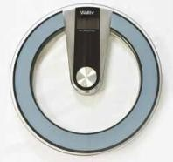 | WALTHR | IR-WS005 | • Glass material • Powered by lithium battery • Large, easy to read 1.2” Lcd display • 150kg/330lb capacity • Four digit readout in 0.1 Kg or 0.2lb • Unit : kg / lb/ st • Max weight : 180kg | 1,800.00 | 84231000 | 18%
116 | Personal Scale | 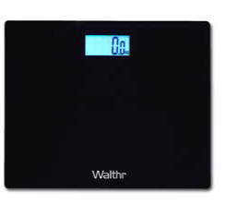 | WALTHR | IR-WS008 | • Glass material • Color : black • Large, easy to read 1.2” Lcd display • 150kg/330lb capacity • Four digit readout in 0.1 Kg or 0.2lb • Unit : kg / lb/ st • Powered by lithium battery • Size : 300 * 300 * 22 mm | 1,450.00 | 84231000 | 18%
117 | Personal Scale |  | WALTHR | IR-WS010 | • Reverse lcd with backlight • Capacity:180kg /400 lb • Power :2x1.5v AAA(excluded) • Wood finish | 1,900.00 | 84231000 | 18%
118 | Personal Scale |  | WALTHR | IR-WS011 | • 5 Mm tempered safety glass platform • Automatic power generation control. • Capacity: 180kg/396lbs • Division: 0.1kg/0.2lb • Battery-free technology, • Environment-friendly. | 1,900.00 | 84231000 | 18%
119 | Personal Scale |  | WALTHR | IR-WS012 | • 5 Mm tempered safety glass platform • Automatic power generation control. • Capacity: 180kg/396lbs • Division: 0.1kg/0.2lb • Battery-free technology, • Environment-friendly. | 1,900.00 | 84231000 | 18%
120 | Waste Bins |  | WALTHR | IR-WRB01 | • Classic pedal bin • Capacity : 5 ltr • Finish : Matt / Mirror | 725.00 | 73239390 | 18%
121 | Waste Bins |  | WALTHR | IR-WRB02 | • Elegant pedal bin • With soft close & pp liner • Capacity : 3 ltr • Finish : matt • Color : SS / Black | 1,050.00 | 73239390 | 18%
122 | Waste Bins |  | WALTHR | IR-WRB02.1 | • Elegant pedal bin • With soft close & pp liner • Capacity : 5 ltr • Finish : matt • Color : SS / Black | 1,350.00 | 73239390 | 18%
123 | Waste Bins |  | WALTHR | IR-WRB03 | • Sleak design pedal bin • Noise-free • Fingerprint resistant • Soft close • Capacity : 6 ltr | 1,725.00 | 73239390 | 18%
124 | Waste Bins |  | WALTHR | IR-WRB04 | • Noise-free • Fingerprint resistant • Soft close • Plastic bag fixel • Capacity : 5 ltr | 1,700.00 | 73239390 | 18%
125 | Anti Skid Mat |  | WALTHR | IR-BM001 | • Reliable slip-resistance • With suction cups • Anti-bacterial treatment • Mould and mildew resistance • Size: 35 x 55 cm | 800.00 | 39269099 | 18%
126 | Bath Tub Caddy |  | WALTHR | IR-BTC01 | • 304# Stainless steel • Extendable bathtub caddy | 3,350.00 | 73249000 | 18%
127 | Bath Tub Caddy |  | WALTHR | IR-BTC02 | • 304# Stainless steel • Extendable bathtub caddy | 3,900.00 | 73249000 | 18%
128 | Bath Tub Caddy |  | WALTHR | IR-BTC04 | • Wooden • Extendable bathtub caddy | 4,900.00 | 44209090 | 18%
129 | Bath Tub Pillow |  | WALTHR | IR-BTP01 | • PU material | 2,750.00 | 94049099 | 18%
130 | Bath Tub Pillow |  | WALTHR | IR-BTP02 | • Luxury soft gel material | 7,800.00 | 94049099 | 18%
131 | TROUSER HANGERS 12 MM |  | WALTHR | IR-HG001.1 | MATERIAL: WOODEN TROUSER HANGERS 12 MM THICKNESS | 110.00 | 44211000 | 12%
132 | TROUSER HANGERS 20 MM |  | WALTHR | IR-HG001.2 | MATERIAL: WOODEN TROUSER HANGERS 20 MM THICKNESS | 130.00 | 44211000 | 12%
133 | SKIRT HANGERS CLIP 12 MM |  | WALTHR | IR-HG001.3 | MATERIAL: WOODEN SKIRT HANGERS 12 MM THICKNESS | 110.00 | 44211000 | 12%
134 | SKIRT HANGERS CLIP 20 MM |  | WALTHR | IR-HG001.4 | MATERIAL: WOODEN TROUSER HANGERS 20 MM THICKNESS | 130.00 | 44211000 | 12%
135 | SATIN HANGERS |  | WALTHR | IR-HG001.5 | SATIN HANGERS | 95.00 | 39269069 | 18%
136 | BATHROBE HANGER 20 MM |  | WALTHR | IR-HG001.6 | BATHROBE HANGER 20 MM | 160.00 | 44211000 | 12%
137 | COAT HANGERS - 45 MM |  | WALTHR | IR-HG001.7 | MATERIAL: WOODEN COAT HANGERS 45 MM THICKNESS | 195.00 | 44211000 | 12%
138 | ANTI THEFT TROUSER HANGER 12 MM |  | WALTHR | IR-HG001.8 | MATERIAL: WOODEN TROUSER HANGERS 12 MM THICKNESS | 135.00 | 44211000 | 12%
139 | ANTI THEFT CLIP HANGER 12 MM |  | WALTHR | IR-HG001.9 | MATERIAL: WOODEN SKIRT HANGERS 12 MM THICKNESS | 135.00 | 44211000 | 12%
140 | WOODEN COAT BRUSH 10" |  | WALTHR | IR-HG001.10 | WOODEN COAT BRUSH SIZE : 10" | 200.00 | 44211000 | 12%
141 | WOODEN COAT BRUSH 15" |  | WALTHR | IR-HG001.11 | WOODEN COAT BRUSH SIZE : 15" | 240.00 | 44211000 | 12%
142 | WOODEN SHOE HORN 10" |  | WALTHR | IR-HG001.12 | WOODEN SHOE HORN SIZE : 10" | 180.00 | 44211000 | 12%
143 | WOODEN SHOE HORN 15" |  | WALTHR | IR-HG001.13 | WOODEN SHOE HORN SIZE : 15" | 210.00 | 44211000 | 12%

